ZoneSummary
Zone Summary
Zone Name | Conditioned (Y/N) | Multiplier | Area (m2) | Volume (m3) | Floor-to-Ceiling Height (m) | Gross Wall Area (m2) | Window Glass Area (m2) | People (m2/per) | People | Lights (W/m2) | Elec Plug and Process (W/m2) | Gas Plug and Process (W/m2) | SWH (L/h) | Ventilation (L/s/Person) | Ventilation (L/s/m2) | Ventilation Total (L/s) | Exhaust (L/s) | Infiltration (ACH)
First Floor
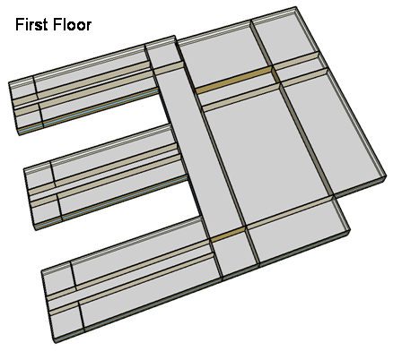
CORNER_CLASS_1_POD_1_ZN_1_FLR_1 | Yes | 1 | 99 | 396 | 4 | 80 | 28 | 4 | 24.8 | 15.06 | 10.00 | 0.00 | 0.0 | 5.0 | 0.6 | 183 | 0 | 0.22
MULT_CLASS_1_POD_1_ZN_1_FLR_1 | Yes | 1 | 477 | 1,908 | 4 | 212 | 74 | 4 | 119.3 | 15.06 | 10.00 | 0.00 | 0.0 | 5.0 | 0.6 | 882 | 0 | 0.12
CORRIDOR_POD_1_ZN_1_FLR_1 | Yes | 1 | 320 | 1,280 | 4 | 20 | 7 | 10 | 32.0 | 5.38 | 4.00 | 0.00 | 0.0 | 0.0 | 0.3 | 96 | 0 | 0.02
CORNER_CLASS_2_POD_1_ZN_1_FLR_1 | Yes | 1 | 99 | 396 | 4 | 80 | 28 | 4 | 24.8 | 15.06 | 10.00 | 0.00 | 0.0 | 5.0 | 0.6 | 183 | 0 | 0.22
MULT_CLASS_2_POD_1_ZN_1_FLR_1 | Yes | 1 | 477 | 1,908 | 4 | 212 | 74 | 4 | 119.3 | 15.06 | 10.00 | 0.00 | 0.0 | 5.0 | 0.6 | 882 | 0 | 0.12
CORNER_CLASS_1_POD_2_ZN_1_FLR_1 | Yes | 1 | 99 | 396 | 4 | 80 | 28 | 4 | 24.8 | 15.06 | 10.00 | 0.00 | 0.0 | 5.0 | 0.6 | 183 | 0 | 0.22
MULT_CLASS_1_POD_2_ZN_1_FLR_1 | Yes | 1 | 477 | 1,908 | 4 | 212 | 74 | 4 | 119.3 | 15.06 | 10.00 | 0.00 | 0.0 | 5.0 | 0.6 | 882 | 0 | 0.12
CORRIDOR_POD_2_ZN_1_FLR_1 | Yes | 1 | 320 | 1,280 | 4 | 20 | 7 | 10 | 32.0 | 5.38 | 4.00 | 0.00 | 0.0 | 0.0 | 0.3 | 96 | 0 | 0.02
CORNER_CLASS_2_POD_2_ZN_1_FLR_1 | Yes | 1 | 99 | 396 | 4 | 80 | 28 | 4 | 24.8 | 15.06 | 10.00 | 0.00 | 0.0 | 5.0 | 0.6 | 183 | 0 | 0.22
MULT_CLASS_2_POD_2_ZN_1_FLR_1 | Yes | 1 | 477 | 1,908 | 4 | 212 | 74 | 4 | 119.3 | 15.06 | 10.00 | 0.00 | 0.0 | 5.0 | 0.6 | 882 | 0 | 0.12
CORNER_CLASS_1_POD_3_ZN_1_FLR_1 | Yes | 1 | 99 | 396 | 4 | 80 | 28 | 4 | 24.8 | 15.06 | 10.00 | 0.00 | 0.0 | 5.0 | 0.6 | 183 | 0 | 0.22
MULT_CLASS_1_POD_3_ZN_1_FLR_1 | Yes | 1 | 477 | 1,908 | 4 | 212 | 74 | 4 | 119.3 | 15.06 | 10.00 | 0.00 | 0.0 | 5.0 | 0.6 | 882 | 0 | 0.12
CORRIDOR_POD_3_ZN_1_FLR_1 | Yes | 1 | 320 | 1,280 | 4 | 20 | 7 | 10 | 32.0 | 5.38 | 4.00 | 0.00 | 0.0 | 0.0 | 0.3 | 96 | 0 | 0.02
CORNER_CLASS_2_POD_3_ZN_1_FLR_1 | Yes | 1 | 99 | 396 | 4 | 80 | 28 | 4 | 24.8 | 15.06 | 10.00 | 0.00 | 0.0 | 5.0 | 0.6 | 183 | 0 | 0.22
MULT_CLASS_2_POD_3_ZN_1_FLR_1 | Yes | 1 | 477 | 1,908 | 4 | 212 | 74 | 4 | 119.3 | 15.06 | 10.00 | 0.00 | 0.0 | 5.0 | 0.6 | 882 | 0 | 0.12
MAIN_CORRIDOR_ZN_1_FLR_1 | Yes | 1 | 1,140 | 4,560 | 4 | 200 | 70 | 0 | 0.0 | 5.38 | 4.00 | 0.00 | 0.0 | 2.5 | 0.3 | 342 | 0 | 0.05
LOBBY_ZN_1_FLR_1 | Yes | 1 | 210 | 840 | 4 | 60 | 21 | 0 | 0.0 | 13.99 | 4.00 | 0.00 | 0.0 | 2.5 | 0.3 | 63 | 0 | 0.08
BATHROOMS_ZN_1_FLR_1 | Yes | 1 | 210 | 840 | 4 | 116 | 41 | 10 | 21.0 | 9.68 | 4.00 | 0.00 | 197.5 | 0.0 | 0.0 | 0 | 0 | 0.15
OFFICES_ZN_1_FLR_1 | Yes | 1 | 532 | 2,128 | 4 | 208 | 73 | 20 | 26.6 | 11.84 | 10.80 | 0.00 | 0.0 | 2.5 | 0.3 | 226 | 0 | 0.11
GYM_ZN_1_FLR_1 | Yes | 1 | 1,976 | 15,808 | 8 | 0 | 80 | 1 | 1976.0 | 15.06 | 5.00 | 0.00 | 717.2 | 0.0 | 1.5 | 2,964 | 0 | 0.14
AUX_GYM_ZN_1_FLR_1 | Yes | 1 | 1,248 | 9,984 | 8 | 608 | 266 | 3 | 374.8 | 15.06 | 5.00 | 0.00 | 0.0 | 0.0 | 1.5 | 1,872 | 0 | 0.20
AUDITORIUM_ZN_1_FLR_1 | Yes | 1 | 988 | 7,904 | 8 | 512 | 106 | 1 | 988.0 | 9.68 | 5.00 | 0.00 | 0.0 | 2.5 | 0.3 | 2,766 | 0 | 0.21
KITCHEN_ZN_1_FLR_1 | Yes | 1 | 216 | 864 | 4 | 36 | 13 | 7 | 32.4 | 12.91 | 222.19 | 1678.56 | 503.5 | 0.0 | 0.0 | 0 | 2,832 | 0.05
CAFETERIA_ZN_1_FLR_1 | Yes | 1 | 624 | 2,496 | 4 | 200 | 70 | 1 | 447.8 | 15.06 | 19.26 | 0.00 | 0.0 | 3.8 | 0.9 | 2,263 | 0 | 0.09
MECH_ZN_1_FLR_1 | Yes | 1 | 342 | 1,368 | 4 | 0 | 0 | 100 | 3.4 | 16.14 | 4.00 | 0.00 | 0.0 | 0.0 | 0.3 | 87 | 0 | 0.00
Total Conditioned Zones |  |  | 11,902 | 64,456 |  | 3,752 | 1,374 |  | 4,830
Second Floor
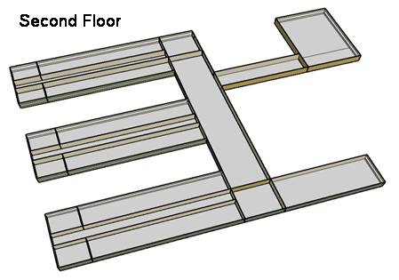
CORNER_CLASS_1_POD_1_ZN_1_FLR_2 | Yes | 1 | 99 | 396 | 4 | 80 | 28 | 4 | 24.8 | 15.06 | 10.00 | 0.00 | 0.0 | 5.0 | 0.6 | 183 | 0 | 0.49
MULT_CLASS_1_POD_1_ZN_1_FLR_2 | Yes | 1 | 477 | 1,908 | 4 | 212 | 74 | 4 | 119.3 | 15.06 | 10.00 | 0.00 | 0.0 | 5.0 | 0.6 | 882 | 0 | 0.39
CORRIDOR_POD_1_ZN_1_FLR_2 | Yes | 1 | 320 | 1,280 | 4 | 20 | 7 | 10 | 32.0 | 5.38 | 4.00 | 0.00 | 0.0 | 0.0 | 0.3 | 96 | 0 | 0.29
CORNER_CLASS_2_POD_1_ZN_1_FLR_2 | Yes | 1 | 99 | 396 | 4 | 80 | 28 | 4 | 24.8 | 15.06 | 10.00 | 0.00 | 0.0 | 5.0 | 0.6 | 183 | 0 | 0.49
MULT_CLASS_2_POD_1_ZN_1_FLR_2 | Yes | 1 | 477 | 1,908 | 4 | 212 | 74 | 4 | 119.3 | 15.06 | 10.00 | 0.00 | 0.0 | 5.0 | 0.6 | 882 | 0 | 0.39
CORNER_CLASS_1_POD_2_ZN_1_FLR_2 | Yes | 1 | 99 | 396 | 4 | 80 | 28 | 4 | 24.8 | 15.06 | 10.00 | 0.00 | 0.0 | 5.0 | 0.6 | 183 | 0 | 0.49
MULT_CLASS_1_POD_2_ZN_1_FLR_2 | Yes | 1 | 477 | 1,908 | 4 | 212 | 74 | 4 | 119.3 | 15.06 | 10.00 | 0.00 | 0.0 | 5.0 | 0.6 | 882 | 0 | 0.39
CORRIDOR_POD_2_ZN_1_FLR_2 | Yes | 1 | 320 | 1,280 | 4 | 20 | 7 | 10 | 32.0 | 5.38 | 4.00 | 0.00 | 0.0 | 0.0 | 0.3 | 96 | 0 | 0.29
CORNER_CLASS_2_POD_2_ZN_1_FLR_2 | Yes | 1 | 99 | 396 | 4 | 80 | 28 | 4 | 24.8 | 15.06 | 10.00 | 0.00 | 0.0 | 5.0 | 0.6 | 183 | 0 | 0.49
MULT_CLASS_2_POD_2_ZN_1_FLR_2 | Yes | 1 | 477 | 1,908 | 4 | 212 | 74 | 4 | 119.3 | 15.06 | 10.00 | 0.00 | 0.0 | 5.0 | 0.6 | 882 | 0 | 0.39
CORNER_CLASS_1_POD_3_ZN_1_FLR_2 | Yes | 1 | 99 | 396 | 4 | 80 | 28 | 4 | 24.8 | 15.06 | 10.00 | 0.00 | 0.0 | 5.0 | 0.6 | 183 | 0 | 0.49
MULT_CLASS_1_POD_3_ZN_1_FLR_2 | Yes | 1 | 477 | 1,908 | 4 | 212 | 74 | 4 | 119.3 | 15.06 | 20.00 | 0.00 | 0.0 | 5.0 | 0.6 | 882 | 0 | 0.39
CORRIDOR_POD_3_ZN_1_FLR_2 | Yes | 1 | 320 | 1,280 | 4 | 20 | 7 | 10 | 32.0 | 5.38 | 4.00 | 0.00 | 0.0 | 0.0 | 0.3 | 96 | 0 | 0.29
CORNER_CLASS_2_POD_3_ZN_1_FLR_2 | Yes | 1 | 99 | 396 | 4 | 80 | 28 | 4 | 24.8 | 15.06 | 10.00 | 0.00 | 0.0 | 5.0 | 0.6 | 183 | 0 | 0.49
MULT_CLASS_2_POD_3_ZN_1_FLR_2 | Yes | 1 | 477 | 1,908 | 4 | 212 | 74 | 4 | 119.3 | 15.06 | 20.00 | 0.00 | 0.0 | 5.0 | 0.6 | 882 | 0 | 0.39
MAIN_CORRIDOR_ZN_1_FLR_2 | Yes | 1 | 1,140 | 4,560 | 4 | 200 | 70 | 0 | 0.0 | 5.38 | 4.00 | 0.00 | 0.0 | 2.5 | 0.3 | 342 | 0 | 0.32
LOBBY_ZN_1_FLR_2 | Yes | 1 | 210 | 840 | 4 | 60 | 21 | 0 | 0.0 | 13.99 | 4.00 | 0.00 | 0.0 | 2.5 | 0.3 | 63 | 0 | 0.35
BATHROOMS_ZN_1_FLR_2 | Yes | 1 | 210 | 840 | 4 | 116 | 41 | 10 | 21.0 | 9.68 | 4.00 | 0.00 | 197.5 | 0.0 | 0.0 | 0 | 0 | 0.42
OFFICES_ZN_1_FLR_2 | Yes | 1 | 532 | 2,128 | 4 | 208 | 73 | 20 | 26.6 | 11.84 | 10.80 | 0.00 | 0.0 | 2.5 | 0.3 | 226 | 0 | 0.38
LIBRARY_MEDIA_CENTER_ZN_1_FLR_2 | Yes | 1 | 840 | 3,360 | 4 | 236 | 83 | 4 | 49.7 | 13.99 | 10.00 | 0.00 | 0.0 | 5.0 | 0.6 | 378 | 0 | 0.35
MECH_ZN_1_FLR_2 | Yes | 1 | 342 | 1,368 | 4 | 0 | 0 | 100 | 3.4 | 16.14 | 4.00 | 0.00 | 0.0 | 0.0 | 0.50 | 171 | 0 | 0.00
Total Conditioned Zones |  |  | 7,690 | 30,760 |  | 2,632 | 922 |  | 1,061
Building Total Conditioned Zones |  |  | 19,592 | 95,216 |  | 6,384 | 2,296 |  | 5,891
 |  |  |  |  |  | 4,088
Data Source |  |  |  |  |  |  |  | 1 |  | 2 | 4, 5 | 4, 5 | 4, 5 | 3 | 3 | 3 | 4 | 4

Sources
[1] Pless, S.; Torcellini, P.; Long, N. (2007). Technical Support Document: Development of the Advanced Energy Design Guide for K-12 Schools--30% Energy Savings. 178 pp.; NREL Report No. TP-550-42114. http://www.nrel.gov/docs/fy07osti/42114.pdf
[2] ASHRAE Standard 90.1-2004 Tables 9.5.1 & 9.6.1, Atlanta, GA: American Society of Heating, Refrigerating and Air-Conditioning Engineers.
[3] ASHRAE Standard 62-1999 Table 6-1, Atlanta, GA: American Society of Heating, Refrigerating and Air-Conditioning Engineers.
[4] DOE Benchmark Report
[5] Smith, V. A. and D.R. Fisher. (2001). Estimating Food Service Loads and Profiles. ASHRAE Transactions 2001. V. 107. Pt 2. Atlanta, GA: American Society of Heating, Refrigerating and Air-Conditioning Engineers.

Picture
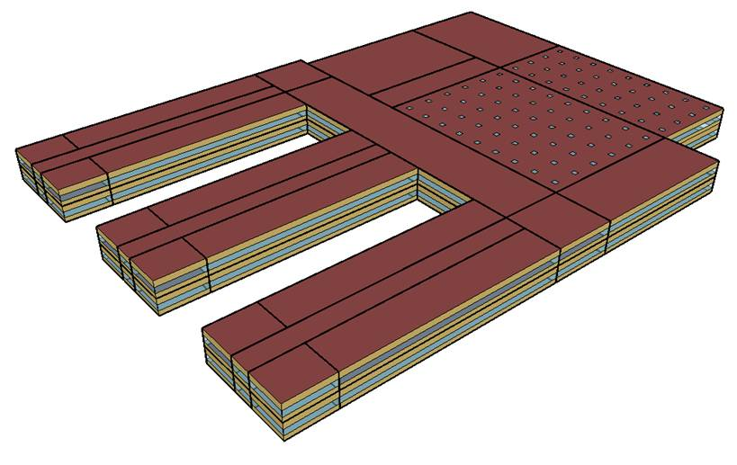
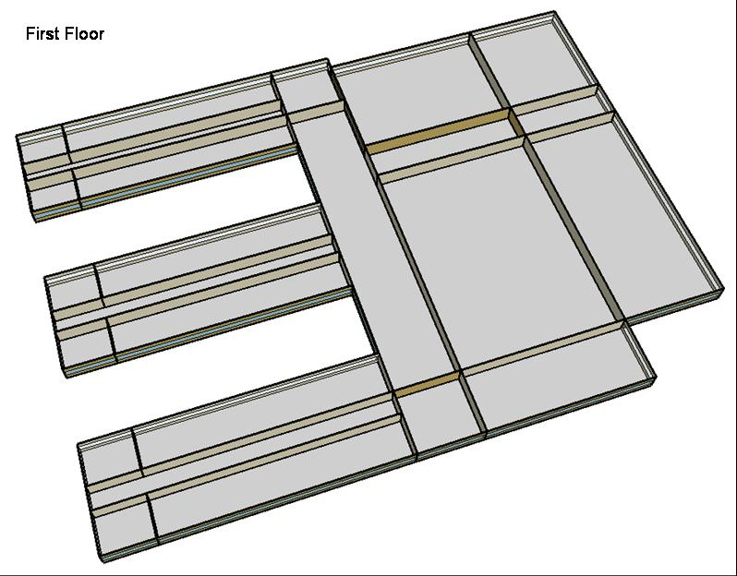
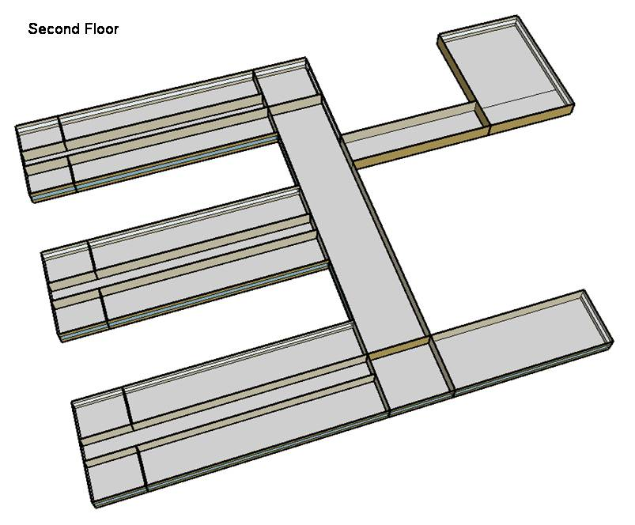
DOE Commercial Building Benchmark - Secondary School

Electricity
 | Cooling | Interior Lighting | Exterior Lighting | Interior Equipment | Fans | Pumps | Refrigeration
Miami | 1,767,688.89 | 927,397.22 | 104,397.22 | 673,616.67 | 506,619.44 | 16,688.89 | 45,730.56
Houston | 1,428,650.00 | 927,397.22 | 104,358.33 | 673,616.67 | 524,088.89 | 14,711.11 | 45,638.89
Phoenix | 1,520,019.44 | 927,397.22 | 104,338.89 | 673,616.67 | 562,188.89 | 13,666.67 | 45,244.44
Atlanta | 858,222.22 | 927,397.22 | 104,322.22 | 673,616.67 | 516,130.56 | 10,575.00 | 45,472.22
Los Angeles | 430,694.44 | 927,397.22 | 104,241.67 | 673,616.67 | 442,527.78 | 7,644.44 | 45,666.67
Las Vegas | 1,081,763.89 | 927,397.22 | 104,219.44 | 673,616.67 | 537,063.89 | 9,686.11 | 45,083.33
San Francisco | 255,088.89 | 927,397.22 | 104,275.00 | 673,616.67 | 669,752.78 | 6,283.33 | 45,502.78
Baltimore | 755,136.11 | 927,397.22 | 104,211.11 | 673,616.67 | 539,908.33 | 9,963.89 | 45,280.56
Albuquerque | 598,619.44 | 927,397.22 | 104,250.00 | 673,616.67 | 611,825.00 | 7,886.11 | 45,030.56
Seattle | 161,836.11 | 927,397.22 | 104,044.44 | 673,616.67 | 452,388.89 | 4,538.89 | 45,305.56
Chicago | 504,152.78 | 927,397.22 | 104,227.78 | 673,616.67 | 547,408.33 | 8,258.33 | 45,113.89
Boulder | 419,261.11 | 927,397.22 | 104,166.67 | 673,616.67 | 594,658.33 | 6,594.44 | 44,975.00
Minneapolis | 426,202.78 | 927,397.22 | 104,158.33 | 673,616.67 | 576,650.00 | 8,441.67 | 44,872.22
Helena | 292,652.78 | 927,397.22 | 104,136.11 | 673,616.67 | 590,069.44 | 6,352.78 | 44,836.11
Duluth | 211,280.56 | 927,397.22 | 104,075.00 | 673,616.67 | 565,763.89 | 7,002.78 | 44,708.33
Fairbanks | 146,408.33 | 927,397.22 | 103,438.89 | 673,616.67 | 559,122.22 | 9,222.22 | 43,961.11

Gas
 | Heating | Interior Equipment | Water Systems
Miami | 158,090.00 | 544,460.00 | 183,800.00
Houston | 2,266,040.00 | 544,460.00 | 250,280.00
Phoenix | 1,752,000.00 | 544,460.00 | 219,890.00
Atlanta | 4,002,670.00 | 544,460.00 | 309,320.00
Los Angeles | 912,140.00 | 544,460.00 | 289,350.00
Las Vegas | 2,214,120.00 | 544,460.00 | 263,240.00
San Francisco | 4,296,470.00 | 544,460.00 | 339,220.00
Baltimore | 7,493,330.00 | 544,460.00 | 356,310.00
Albuquerque | 4,372,540.00 | 544,460.00 | 347,290.00
Seattle | 6,658,340.00 | 544,460.00 | 372,910.00
Chicago | 10,933,270.00 | 544,460.00 | 396,330.00
Boulder | 7,011,210.00 | 544,460.00 | 392,600.00
Minneapolis | 15,018,500.00 | 544,460.00 | 431,980.00
Helena | 11,896,000.00 | 544,460.00 | 435,240.00
Duluth | 18,358,720.00 | 544,460.00 | 485,210.00
Fairbanks | 30,200,700.00 | 544,460.00 | 548,270.00

EUI
 | Cooling (elec) | Interior Lighting (elec) | Exterior Lighting (elec) | Interior Equipment (elec) | Fans (elec) | Pumps (elec) | Refrigeration (elec) | Heating (gas) | Interior Equipment (gas)
Miami | 324.81 | 170.41 | 19.18 | 123.78 | 93.09 | 3.07 | 8.40 | 8.07 | 27.79
Houston | 262.51 | 170.41 | 19.18 | 123.78 | 96.30 | 2.70 | 8.39 | 115.66 | 27.79
Phoenix | 279.30 | 170.41 | 19.17 | 123.78 | 103.30 | 2.51 | 8.31 | 89.42 | 27.79
Atlanta | 157.70 | 170.41 | 19.17 | 123.78 | 94.84 | 1.94 | 8.36 | 204.30 | 27.79
Los Angeles | 79.14 | 170.41 | 19.15 | 123.78 | 81.31 | 1.40 | 8.39 | 46.56 | 27.79
Las Vegas | 198.77 | 170.41 | 19.15 | 123.78 | 98.68 | 1.78 | 8.28 | 113.01 | 27.79
San Francisco | 46.87 | 170.41 | 19.16 | 123.78 | 123.07 | 1.15 | 8.36 | 219.30 | 27.79
Baltimore | 138.76 | 170.41 | 19.15 | 123.78 | 99.21 | 1.83 | 8.32 | 382.47 | 27.79
Albuquerque | 110.00 | 170.41 | 19.16 | 123.78 | 112.42 | 1.45 | 8.27 | 223.18 | 27.79
Seattle | 29.74 | 170.41 | 19.12 | 123.78 | 83.13 | 0.83 | 8.32 | 339.85 | 27.79
Chicago | 92.64 | 170.41 | 19.15 | 123.78 | 100.59 | 1.52 | 8.29 | 558.05 | 27.79
Boulder | 77.04 | 170.41 | 19.14 | 123.78 | 109.27 | 1.21 | 8.26 | 357.86 | 27.79
Minneapolis | 78.31 | 170.41 | 19.14 | 123.78 | 105.96 | 1.55 | 8.25 | 766.56 | 27.79
Helena | 53.77 | 170.41 | 19.13 | 123.78 | 108.42 | 1.17 | 8.24 | 607.19 | 27.79
Duluth | 38.82 | 170.41 | 19.12 | 123.78 | 103.96 | 1.29 | 8.22 | 937.05 | 27.79
Fairbanks | 26.90 | 170.41 | 19.01 | 123.78 | 102.74 | 1.69 | 8.08 | 1541.48 | 27.79

Water
 | Total Building | Water for Electricity (m3)
Miami | 2,677.86 | 2,141.35
Houston | 2,677.86 | 6,050.37
Phoenix | 2,677.86 | 114,257.00
Atlanta | 2,677.86 | 19,578.30
Los Angeles | 2,677.86 | 46,208.30
Las Vegas | 2,677.86 | 92,694.80
San Francisco | 2,677.86 | 47,088.40
Baltimore | 2,677.86 | 693.72
Albuquerque | 2,677.86 | 13,479.90
Seattle | 2,677.86 | 24,204.90
Chicago | 2,677.86 | 4,359.81
Boulder | 2,677.86 | 12,581.00
Minneapolis | 2,677.86 | 4,284.05
Helena | 2,677.86 | 167,169.00
Duluth | 2,677.86 | 3,931.11
Fairbanks | 2,677.86 | 2,516.57

Carbon
 | Carbon Equivalent (kg)
Miami | 1,124,540.00
Houston | 1,295,530.00
Phoenix | 1,206,530.00
Atlanta | 1,053,500.00
Los Angeles | 339,050.32
Las Vegas | 1,194,090.00
San Francisco | 406,836.26
Baltimore | 975,914.56
Albuquerque | 1,307,610.00
Seattle | 309,163.82
Chicago | 1,712,360.00
Boulder | 1,275,140.00
Minneapolis | 1,233,620.00
Helena | 1,196,590.00
Duluth | 1,216,940.00
Fairbanks | 1,257,410.00

Chiller
 | COOLSYS1 CHILLER
Miami | 1,700.37
Houston | 1,702.46
Phoenix | 3,148.58
Atlanta | 1,541.82
Los Angeles | 1,545.67
Las Vegas | 2,776.98
San Francisco | 1,791.85
Baltimore | 1,605.19
Albuquerque | 2,469.06
Seattle | 1,072.78
Chicago | 1,563.31
Boulder | 2,306.71
Minneapolis | 1,475.85
Helena | 2,334.64
Duluth | 1,246.11
Fairbanks | 2,145.83

DXcoils
 | PSZ-AC_1:5_COOLC DXCOIL | PSZ-AC_2:6_COOLC DXCOIL | PSZ-AC_3:7_COOLC DXCOIL | PSZ-AC_4:8_COOLC DXCOIL | PSZ-AC_5:9_COOLC DXCOIL
Miami | 622.97 | 285.95 | 346.57 | 116.90 | 142.26
Houston | 636.12 | 291.64 | 363.20 | 117.67 | 146.05
Phoenix | 651.30 | 299.95 | 292.24 | 104.65 | 135.65
Atlanta | 640.23 | 266.42 | 348.18 | 120.65 | 140.03
Los Angeles | 398.47 | 226.71 | 197.27 | 76.13 | 82.12
Las Vegas | 565.77 | 278.84 | 244.28 | 87.87 | 110.37
San Francisco | 676.74 | 274.60 | 342.65 | 87.11 | 156.03
Baltimore | 633.84 | 274.54 | 332.27 | 117.53 | 137.03
Albuquerque | 491.05 | 309.43 | 259.96 | 91.79 | 105.82
Seattle | 422.80 | 241.29 | 183.71 | 75.81 | 79.33
Chicago | 627.97 | 269.22 | 314.95 | 118.00 | 134.36
Boulder | 475.50 | 292.73 | 236.93 | 91.03 | 100.98
Minneapolis | 624.23 | 266.37 | 302.94 | 118.90 | 134.18
Helena | 445.25 | 279.55 | 219.60 | 87.56 | 93.94
Duluth | 588.14 | 250.35 | 232.12 | 95.85 | 116.76
Fairbanks | 327.10 | 228.76 | 150.97 | 75.48 | 74.12

HeatCoil
 | PSZ-AC_1:5_HEATC | PSZ-AC_2:6_HEATC | PSZ-AC_3:7_HEATC | PSZ-AC_4:8_HEATC | PSZ-AC_5:9_HEATC
Miami | 291.38 | 162.30 | 162.10 | 54.68 | 66.54
Houston | 392.78 | 215.63 | 224.26 | 72.66 | 90.18
Phoenix | 339.30 | 198.82 | 202.44 | 62.88 | 79.13
Atlanta | 426.45 | 226.69 | 231.92 | 80.36 | 93.27
Los Angeles | 283.57 | 159.11 | 143.96 | 55.55 | 59.93
Las Vegas | 365.97 | 202.34 | 206.37 | 67.83 | 80.18
San Francisco | 545.87 | 194.96 | 276.38 | 70.26 | 125.86
Baltimore | 469.98 | 257.95 | 246.37 | 87.14 | 101.61
Albuquerque | 433.99 | 217.83 | 229.75 | 81.12 | 93.52
Seattle | 359.26 | 212.98 | 176.71 | 72.93 | 74.37
Chicago | 543.94 | 291.62 | 272.81 | 102.21 | 116.38
Boulder | 501.64 | 247.42 | 249.96 | 96.03 | 106.53
Minneapolis | 584.34 | 314.28 | 290.83 | 112.26 | 125.60
Helena | 569.75 | 290.72 | 281.00 | 112.04 | 120.21
Duluth | 567.59 | 314.27 | 273.99 | 113.93 | 121.52
Fairbanks | 582.22 | 376.81 | 268.72 | 134.36 | 131.94

LghtSch
Lighting Schedules
 | School year weekday | School year weekend | Summer weekday | Summer weekend
 | 0.2 | 0.2 | 0.2 | 0.2
 | 0.2 | 0.2 | 0.2 | 0.2
 | 0.2 | 0.2 | 0.2 | 0.2
 | 0.2 | 0.2 | 0.2 | 0.2
 | 0.2 | 0.2 | 0.2 | 0.2
 | 0.2 | 0.2 | 0.2 | 0.2
 | 0.2 | 0.2 | 0.2 | 0.2
 | 0.9 | 0.2 | 0.2 | 0.2
 | 0.9 | 0.2 | 0.5 | 0.2
 | 0.9 | 0.2 | 0.5 | 0.2
 | 0.9 | 0.2 | 0.5 | 0.2
 | 0.9 | 0.2 | 0.5 | 0.2
 | 0.9 | 0.2 | 0.5 | 0.2
 | 0.9 | 0.2 | 0.5 | 0.2
 | 0.9 | 0.2 | 0.5 | 0.2
 | 0.9 | 0.2 | 0.5 | 0.2
 | 0.9 | 0.2 | 0.5 | 0.2
 | 0.9 | 0.2 | 0.5 | 0.2
 | 0.9 | 0.2 | 0.5 | 0.2
 | 0.9 | 0.2 | 0.5 | 0.2
 | 0.9 | 0.2 | 0.2 | 0.2
 | 0.2 | 0.2 | 0.2 | 0.2
 | 0.2 | 0.2 | 0.2 | 0.2
 | 0.2 | 0.2 | 0.2 | 0.2

EqpSch
Equipment Schedules
 | School year weekday | School year weekend | Summer weekday | Summer weekend
 | 0.4 | 0.4 | 0.3 | 0.3
 | 0.4 | 0.4 | 0.3 | 0.3
 | 0.4 | 0.4 | 0.3 | 0.3
 | 0.4 | 0.4 | 0.3 | 0.3
 | 0.4 | 0.4 | 0.3 | 0.3
 | 0.4 | 0.4 | 0.3 | 0.3
 | 0.4 | 0.4 | 0.3 | 0.3
 | 0.4 | 0.4 | 0.3 | 0.3
 | 1.0 | 0.4 | 0.5 | 0.3
 | 1.0 | 0.4 | 0.5 | 0.3
 | 1.0 | 0.4 | 0.5 | 0.3
 | 1.0 | 0.4 | 0.5 | 0.3
 | 1.0 | 0.4 | 0.5 | 0.3
 | 1.0 | 0.4 | 0.5 | 0.3
 | 1.0 | 0.4 | 0.5 | 0.3
 | 1.0 | 0.4 | 0.5 | 0.3
 | 1.0 | 0.4 | 0.5 | 0.3
 | 0.4 | 0.4 | 0.3 | 0.3
 | 0.4 | 0.4 | 0.3 | 0.3
 | 0.4 | 0.4 | 0.3 | 0.3
 | 0.4 | 0.4 | 0.3 | 0.3
 | 0.4 | 0.4 | 0.3 | 0.3
 | 0.4 | 0.4 | 0.3 | 0.3
 | 0.4 | 0.4 | 0.3 | 0.3

OccSch
Classroom Occupancy Schedules
 | School year weekday | Summer weekday
 | 0.0 | 0.0
 | 0.0 | 0.0
 | 0.0 | 0.0
 | 0.0 | 0.0
 | 0.0 | 0.0
 | 0.0 | 0.0
 | 0.0 | 0.0
 | 0.0 | 0.0
 | 0.7 | 0.2
 | 0.7 | 0.2
 | 0.7 | 0.2
 | 0.7 | 0.2
 | 0.7 | 0.2
 | 0.7 | 0.2
 | 0.7 | 0.2
 | 0.7 | 0.2
 | 0.2 | 0.2
 | 0.2 | 0.2
 | 0.2 | 0.2
 | 0.2 | 0.2
 | 0.2 | 0.2
 | 0.0 | 0.0
 | 0.0 | 0.0
 | 0.0 | 0.0

OccSch (2)
Office Occupancy Schedules
 | School year weekday | Summer weekday
 | 0.0 | 0.0
 | 0.0 | 0.0
 | 0.0 | 0.0
 | 0.0 | 0.0
 | 0.0 | 0.0
 | 0.0 | 0.0
 | 0.0 | 0.0
 | 0.0 | 0.0
 | 1.0 | 0.5
 | 1.0 | 0.5
 | 1.0 | 0.5
 | 1.0 | 0.5
 | 1.0 | 0.5
 | 1.0 | 0.5
 | 1.0 | 0.5
 | 1.0 | 0.5
 | 1.0 | 0.5
 | 0.2 | 0.2
 | 0.2 | 0.2
 | 0.2 | 0.2
 | 0.2 | 0.2
 | 0.0 | 0.0
 | 0.0 | 0.0
 | 0.0 | 0.0

OccSch (3)
Occupancy Schedules
 | Gym school year weekday | Gym summer weekday | Cafeteria school year weekday | Cafeteria summer weekday | Auditorium school year weekday | Auditorium summerr weekday
 | 0.0 | 0.0 | 0.0 | 0.0 | 0.0 | 0.0
 | 0.0 | 0.0 | 0.0 | 0.0 | 0.0 | 0.0
 | 0.0 | 0.0 | 0.0 | 0.0 | 0.0 | 0.0
 | 0.0 | 0.0 | 0.0 | 0.0 | 0.0 | 0.0
 | 0.0 | 0.0 | 0.0 | 0.0 | 0.0 | 0.0
 | 0.0 | 0.0 | 0.0 | 0.0 | 0.0 | 0.0
 | 0.0 | 0.0 | 0.0 | 0.0 | 0.0 | 0.0
 | 0.0 | 0.0 | 0.0 | 0.0 | 0.0 | 0.0
 | 0.4 | 0.4 | 0.0 | 0.0 | 0.3 | 0.2
 | 0.4 | 0.4 | 1.0 | 0.2 | 0.3 | 0.2
 | 0.4 | 0.4 | 1.0 | 0.2 | 0.3 | 0.2
 | 0.4 | 0.4 | 1.0 | 0.2 | 0.3 | 0.2
 | 0.4 | 0.4 | 1.0 | 0.2 | 0.3 | 0.2
 | 0.4 | 0.4 | 1.0 | 0.2 | 0.3 | 0.2
 | 0.4 | 0.4 | 1.0 | 0.2 | 0.3 | 0.2
 | 0.4 | 0.4 | 0.4 | 0.2 | 1.0 | 0.2
 | 1.0 | 0.4 | 0.4 | 0.2 | 1.0 | 0.2
 | 1.0 | 0.4 | 0.4 | 0.4 | 1.0 | 0.4
 | 1.0 | 0.4 | 0.4 | 0.4 | 1.0 | 0.4
 | 1.0 | 0.4 | 0.4 | 0.0 | 1.0 | 0.0
 | 1.0 | 0.4 | 0.0 | 0.0 | 0.0 | 0.0
 | 0.0 | 0.0 | 0.0 | 0.0 | 0.0 | 0.0
 | 0.0 | 0.0 | 0.0 | 0.0 | 0.0 | 0.0
 | 0.0 | 0.0 | 0.0 | 0.0 | 0.0 | 0.0

HeatSch
Heating Set Point Schedules
 | Weekday | Weekend | Restrooms & Mech.
 | 0.0 | 0.0 | 0.0
 | 0.0 | 0.0 | 0.0
 | 0.0 | 0.0 | 0.0
 | 0.0 | 0.0 | 0.0
 | 0.0 | 0.0 | 0.0
 | 0.0 | 0.0 | 0.0
 | 0.0 | 0.0 | 0.0
 | 0.0 | 0.0 | 1.0
 | 0.4 | 0.0 | 1.0
 | 0.4 | 0.0 | 1.0
 | 0.4 | 0.0 | 1.0
 | 0.4 | 0.0 | 1.0
 | 0.4 | 0.0 | 1.0
 | 0.4 | 0.0 | 1.0
 | 0.4 | 0.0 | 1.0
 | 0.4 | 0.0 | 1.0
 | 0.4 | 0.0 | 1.0
 | 1.0 | 0.0 | 1.0
 | 1.0 | 0.0 | 1.0
 | 1.0 | 0.0 | 1.0
 | 1.0 | 0.0 | 1.0
 | 0.0 | 0.0 | 0.0
 | 0.0 | 0.0 | 0.0
 | 0.0 | 0.0 | 0.0

CoolSch
Cooling Set Point Schedules
 | Weekday | Weekend | Restrooms & Mech.
 | 21.0 | 16.0 | 21.0
 | 21.0 | 16.0 | 21.0
 | 21.0 | 16.0 | 21.0
 | 21.0 | 16.0 | 21.0
 | 21.0 | 16.0 | 21.0
 | 21.0 | 16.0 | 21.0
 | 21.0 | 16.0 | 21.0
 | 21.0 | 16.0 | 21.0
 | 21.0 | 16.0 | 21.0
 | 21.0 | 16.0 | 21.0
 | 21.0 | 16.0 | 21.0
 | 21.0 | 16.0 | 21.0
 | 21.0 | 16.0 | 21.0
 | 21.0 | 16.0 | 21.0
 | 21.0 | 16.0 | 21.0
 | 21.0 | 16.0 | 21.0
 | 21.0 | 16.0 | 21.0
 | 21.0 | 16.0 | 21.0
 | 21.0 | 16.0 | 21.0
 | 21.0 | 16.0 | 21.0
 | 21.0 | 16.0 | 21.0
 | 21.0 | 16.0 | 21.0
 | 21.0 | 16.0 | 21.0
 | 21.0 | 16.0 | 21.0

